Coimbatore
COIMBATORE - IMPORT AIR FREIGHT |  |  |  |  |  | Coimbatore EXPORT AIR FREIGHT
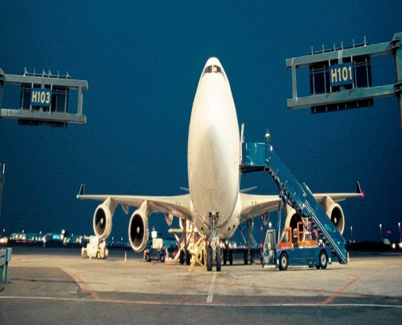
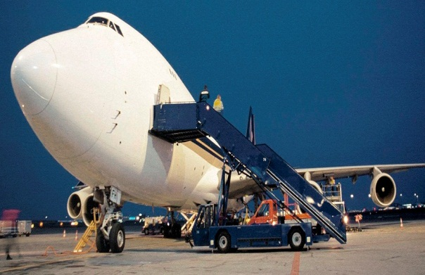

IMPORT AIR FREIGHT CT Level 2 |  |  |  |  |  | EXPORT AIR FREIGHT CT Level 2
Description | Currency | Charge code | STD |  | Remarks | Description | Currency | Charge Code | STD
 |  |  | MIN | per kg |  |  |  |  | MIN | per kg | Remarks
Airline Delivery Order | INR | DOR | 2600 | na | per HAWB | AWB Fee | INR | AWB | 1200 | na | per HAWB
Manifestation Charges | INR | LADV | 250 | na | per HAWB | Customs Clearance Charges | INR | ECC | 3000 | na | per HAWB
Terminal & Airline Cartage Charges | INR | LAAC | 725 | 7.00 | Upto 72 Hrs after arrival. If it exceeds 72Hrs charges will be INR 7 / KG / Day | Terminal Charges | INR | THE | 675 | 4.50 | Min or Per KG whichever is higher
Customs Clearance | INR | CCL | 3000 | 12 | max INR 11500 per HAWB | Airline Cartage Charges | INR | ATE | 450 | 2.75 | Min or Per KG whichever is higher
Customs Documentation | INR | IDO | 4500 | na | per HAWB | ENS | INR | ENS | 1350 | na | INR 1350 per shipments (For EU shipments only)
DSV Handling Fee | INR | HDI | 2500 | na | Per Shipment | AMS | INR | AMS | 750 | na | INR 750 per shipment (For US shipments only)
Documentation Processing Fee | USD | MEI | 15 | na | Per Shipment | DSV Handling Fee | INR | HDE | 1500 | na | Per Shipment
 |  |  |  |  |  | Documentation Processing Fee | USD | MES | 15 | na | Per Shipment
TRANSPORTATION CHARGES
Description | Currency | Charge Code | MIN | per kg | Remarks | TRANSPORTATION CHARGES
Transportation | INR | DEL | 11475 | na | Per Tempo with in city limits EX Chennai Airport | Description | Currency |  | MIN | per kg | Remarks
Fuel Surcharge (on Transportation) | INR | FSI | NIL | NIL | Fuel Percentage fluctuates month-on-month | Transportation |  | PIC | 11475 | NA | Per Tempo with in city limits to Chennai Airport
 |  |  |  |  |  | Fuel Surcharge (on Transportation) | INR | IFS | NIL | NIL | Fuel Percentage fluctuates month-on-month
ACCESSORIAL CHARGES (IF REQUIRED)
Description | Currency | Charge Code | Amount |  | Remarks | ACCESSORIAL CHARGES (IF REQUIRED)
DG Handling | INR | DGI | 3200 flat + 6.9 /kg |  | per shipment | Description | Currency |  | Amount | per | Remarks
DDP/DDU Processing Fee | INR | DDU | 2100 |  | per shipment | Certificate of Origin | INR | COO | 1200 | document | document
DDP Duty Processing Charge | INR | DDP | 1.85% of the duty amount |  | All DDP Shipments to be approved by DSV India before departure | DG Handling | INR | DGD | 3200 | shipment | shipment
 |  |  |  |  |  | Courier Charges | INR | OPNC | 450 | shipment | INR 1500 for Europe & US
Outlay of duty is not allowed according to Indian Tax Law. Therefore, the full duty-amount has to be transferred to India before arrival of the cargo. |  |  |  |  |  | Customs Clearance under Special Scheme | INR | PII | 1200 | invoice | invoice
For further details please contact the local DSV Air & Sea India office.
 |  |  |  |  |  | Fumigation Charges, Quarantine Certificate Charges, Re-Exportation Charges, Overtime Clearance Charges, ATA Carnet Charges and other Special handling
All charges are subject to Government controlled Service Tax, currently 12.36% |  |  |  |  |  | Charges are available on request.
Service Tax is applicable even though charges are paid overseas
 |  |  |  |  |  | All charges are subject to Government controlled Service Tax, currently 12.36%
Note : |  |  |  |  |  | Service Tax is applicable even though charges are paid overseas
All charges valid for General Cargo. Not applicable for DG, Perishable or oversized/special handling cargo.
If Cargo requires special equipments like Crank, Forklift, the charges will be applicable as per Outlay. |  |  |  |  |  | Note :
Customs Clearance valid for normal customs clearance with no special requirements. For regular import shipments special rates can be obtained. |  |  |  |  |  | All charges valid for General Cargo. Not applicable for DG, Perishable or oversized/special handling cargo.
Customs Clearance not valid for high value shipments with invoice value above INR 3,000,000 or USD 75,000 or EUR 49,000 or similar. |  |  |  |  |  | If Cargo requires special equipments like Crank, Forklift, the charges will be applicable as per Outlay.
 |  |  |  |  |  | Customs Clearance valid for normal customs clearance with no special requirements.
Valid Until 30th April 2015 |  |  |  |  |  | Customs Clearance not valid for high value shipments with invoice value above INR 3,000,000 or USD 75,000 or EUR 49,000 or similar.

 |  |  |  |  |  | Valid Until 30th April 2015

